AV Credit
 |  | Request Body Parameters
 |  | Some definitions of fields offered below are not directly part of the Account Validation Debit API, but have been provided for added clarification.
 |  | Message | Account Validation Credit
 |  | POST | /accounts/validate/achPaymentCreditAcceptance

 | POST - Request
 | Level | Field Name | Presence | Datatype | Example Value | ISO 20022 Definition | Enhanced Definition
 | 1 | creditorAccount | Mandatory | [Parent] |  | Unambiguous identification of the account being verified
 | 2 | identification | Mandatory | String - Max 17 | 11101012 | Identification asssigned by an insitution - Account number being verified.
 | 1 | creditorAgent | Mandatory | [Parent] |  | Financial Institution servicing the account to be verified
 | 2 | clearingSystemIdentification | Mandatory | String - USABA | USABA | Specification of a pre-agreed offering between clearing agents or the channel through which the payment instruction is processed. | USABA for United States Routing Transit Numer
 | 2 | memberIdentification | Mandatory | String - Max 9 | 61103852 | Identification of a member of a clearing system. | ABA RTN
 | 1 | cashAccountType | Mandatory | String - Current or Savings | Current |  | Type of account - checking or savings

 |  | Sample Request
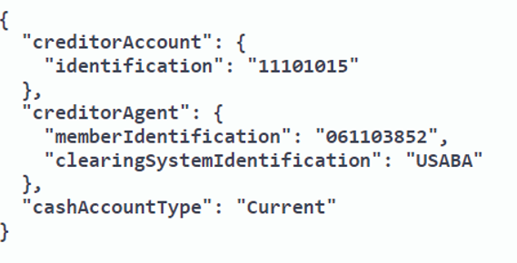

Response

 |  | Every response returned by the Account Validation API has a response code. Response codes can be used to check the status of the request, e.g., Was the request successful or did it fail? The following table shows the common reason codes used by the Account Validation API:

 |  | Code | Text | Further Code | Description
 |  | 200 | OK |  | The request was valid and the Transaction Detail data is being returned
 |  | 400 | Bad request |  | The request could not be understood or required parameters were missing
 |  |  |  | 2000 | Invalid JSON Structure
 |  |  |  | 2001 | “Field name” is missing or invalid
 |  |  |  | 2002 | Invalid date
 |  |  |  | 2003 | Invalid combination of fields submitted. Check the API specification for eligible combinations
 |  |  |  | 2004 | “Field name” cannot be more than [max] characters
 |  | 401 | Unauthorized |  | Authentication failed or user doesn’t have permissions for requested operation
 |  |  |  | 1000 | API key is missing, invalid or expired
 |  |  |  | 1001 | API token is invalid, expired, or account associated with key does not have access to that API
 |  | 403 | Forbidden |  | Access denied, the operation is not allowed
 |  | 404 | Not Found |  | Resource was not found.
 |  | 405 | Method Not Allowed |  | The request method is known by the server but has been disabled and cannot be used.
 |  | 406 | Invalid Accept |  | Web server doesn't find any content that conforms to the criteria given by the user agent.
 |  | 415 | Content Type |  | The media format of the requested data is not supported by the server, so the server is rejecting the request.
 |  | 422 |  | 4001 | Unprocessable request due to "%%"
 |  | 500 |  | 3001 | Internal server error
 |  | 503 | Service Unavailable |  | Service is temporarily unavailable

 |  | For additional response codes, please see the section on return codes on the Testing the APIs page.
 |  | https://www.afinis.org/content/testing-apis

 | Sample RESPONSE
 | Level | Field Name | Presence | Datatype | Example Value | ISO 20022 Definition | Enhanced Definition
 | 1 | accountStatus | Mandatory | Fixed, one of: Enabled, Disabled, Unable to Locate | Enabled | Status of account being validated | Enabled = Request was successful and the account number accepts electronic transactions Disabled = Request was successful but the account number does not accept electronic transactions Unable to Locate = the account cannot be found
 | 1 | statusReasonInformation | Optional | [Parent] | -
 | 2 | reason | Optional | Max35Text | 10000 | Code that specifies the reason | Unique message code for the reason
 | 2 | additionalInformation | Optional | Max140Text | No history found | Further details on the reason | Descriptive message for the reason
 | 1 | creditorAccount | Optional | [Parent] |  | Unambiguous identification of the account being verified
 | 2 | identification | Optional | String - Max 17 | 11101012 | Identification asssigned by an insitution - Account number being verified.
 | 1 | creditorAgent | Optional | [Parent] |  | Financial Institution servicing the account to be verified
 | 2 | clearingSystemIdentification | Optional | String - USABA | USABA | Specification of a pre-agreed offering between clearing agents or the channel through which the payment instruction is processed. | USABA for United States Routing Transit Numer
 | 2 | memberIdentification | Optional | String - Max 9 | 61103852 | Identification of a member of a clearing system. | ABA RTN

 |  | Sample Response

