Transaction History
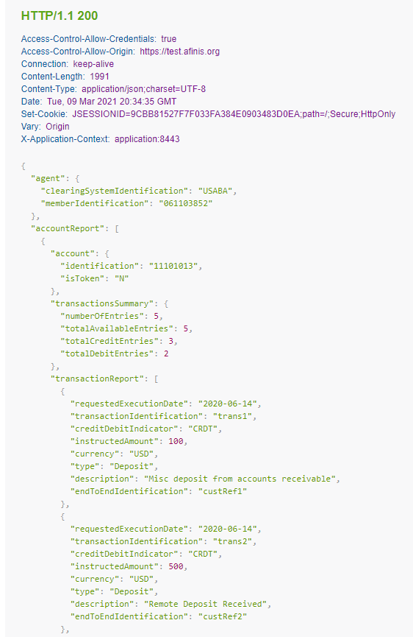
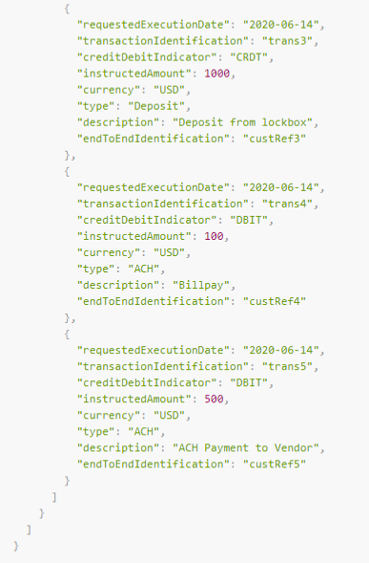
 | Request Body Parameters
 | Some definitions of fields offered below are not directly part of the Get Corporate Transaction History API, but have been provided for added clarification.
 | Message | Get Corporate Transaction History
 | POST | /transactions/history

POST - Request
Level | Field Name | Presence | Datatype | Example Value | ISO 20022 Definition | Enhanced Definition
1 | agent | Optional | [Parent] | - | Identification of a financial institution
2 | clearingSystemIdentification | Mandatory | Fixed: USABA | USABA | Specification of a pre-agreed offering between clearing agents or the channel through which the payment instruction is processed.
2 | memberIdentification | Mandatory | String - Max 9 | 61103852 |  | Identification of a member of a clearing system. [ABA RTN ]
1 | searchCriteria | Mandatory | [Parent] | - | Defines the criteria on which the information is extracted
2 | accountIdentification | Mandatory | [Parent] | - | Unique and unambiguous identification for the account between the account owner and the account servicer | There is the ability to request balance information for one, or for many accounts.
3 | identification | Mandatory | String - Max 34 | 12345678 | Identification: Identification assigned by an institution
3 | isToken | Optional | Fixed | N |  | Specifies if the account number entered is a tokenized value or not. If the field is not given, non-tokenized account number is assumed as default. Allowed values: Y, N
2 | fromDate | Optional | String - Min 10, Max 10 | 2020-04-28 | Start date of the range | If no date provided, current day transactions as of the date/time the request is made (intra-day) will be returned. If a date is provided (current or past) and no end date is provided, the transaction history as of the close of business for the specified date will be returned.
2 | toDate | Optional | String - Min 10, Max 10 | 2020-04-29 | End date of the range | If an end date is provided, transaction history for the date range will be returned. If an end date is not provided, the transaction history as of the close of business based on the start date will be returned.

 | Sample Request
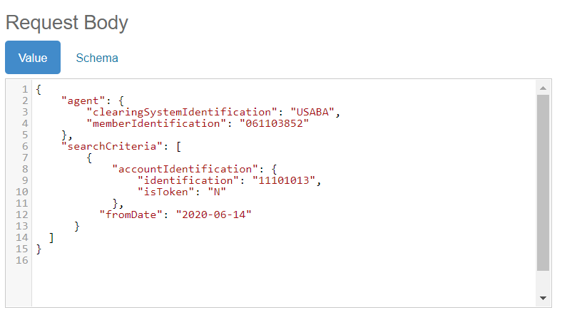

 | Response

 | Every response returned by Get Corporate Account Balances API has a response code. Response codes can be used to check the status of the request, e.g., Was the request successful or did it fail? The following table shows the common reason codes used by the Get Corporate Account Balances API:

 | Code | Text | Further Code | Description
 | 200 | OK |  | The request was valid and the Account Balance data is being returned
 | 400 | Bad request |  | Error caused by bad input data. Example error causes:
 |  |  | 2001 | [Field name] is missing or invalid.
 |  |  | 2004 | [Field name] cannot be more than [number] characters.
 | 401 | Unauthorized |  | Authentication failed or user doesn’t have permissions for requested operation.
 | 404 | Not Found
 | 500 | Internal server error |  | Internal server error. Try again later.

 | For additional response codes, please see the section on return codes on the Testing the APIs page.
 | https://www.afinis.org/content/testing-apis

 | Get Account Balances - 200 Response
Level | Field Name | Presence | Datatype | Example Value | ISO 20022 Definition | Enhanced Definition
1 | agent | Optional | [Parent] | - | Identification of a financial institution
2 | clearingSystemIdentification | Mandatory | Fixed: USABA | USABA | Specification of a pre-agreed offering between clearing agents or the channel through which the payment instruction is processed.
2 | memberIdentification | Mandatory | String - Max 9 | 61103852 |  | Identification of a member of a clearing system. [ABA RTN ]
1 | accountReport | Mandatory | [Parent] | - | Reports either on the account information or on a business error. | This is the grouping for each account number specified in the request - there may be one or many account numbers based on the request.
2 | account | Mandatory | [Parent] |  | Unique and unambiguous identification for the account between the account owner and the account servicer
3 | identification | Mandatory | String - Max 34 |  | Identification: Identification assigned by an institution
3 | isToken | Optional | Fixed | N |  | Specifies if the account number entered is a tokenized value or not. If the field is not given, non-tokenized account number is assumed as default. Allowed values: Y, N
2 | transactionsSummary | Mandatory | [Parent] |  | Indicates the total number and sum of the transactions.
3 | numberOfEntries | Mandatory | Numeric Text - Max 15 |  | Number of individual entries included in the report.
3 | totalAvailableEntries | Mandatory | Numeric Text - Max 15 |  | Number of transactions available –FI will need to determine how many records will be returned in one API call.
3 | totalCreditEntries | Mandatory | Numeric Text - Max 15 |  | Specifies the total number of credit entries
3 | totalDebitEntries | Mandatory | Numeric Text - Max 15 |  | Specifies the total number of debit entries
2 | transactionReport | Mandatory | [Parent]
3 | transactionIdentification | Mandatory | String - Max 35 |  | Unique identification, as assigned by the first instructing agent, to unambiguously identify the transaction that is passed on, unchanged, throughout the entire interbank chain
3 | creditDebitIndicator | Mandatory | Fixed | CRDT | Indicates whether the payment instruction is a debit or a credit. | Allowed values: CRDT - Credit DBIT - Debit
3 | instructedAmount | Mandatory | number
3 | currency | Mandatory | Currency Code: ISO 4217 | USD | Identification of currency in which account is held
3 | type | Mandatory | String - Max 35 |  | Type or nature of the payment
3 | description | Mandatory | String - Max 140 |  | Description of transaction
3 | requestedExecutionDate | Mandatory | ISODate | 2020-12-26
3 | endToEndIdentification | Mandatory | String - Max 35 |  | Unique identification, as assigned by the initiating party, to unambiguously identify the transaction. This identification is passed on, unchanged, throughout the entire end-to-end chain
4

 | Sample Response

