Get Transaction Detail
 |  | Request Body Parameters
 |  | Some definitions of fields offered below are not directly part of the Get Copy of WSUD API, but have been provided for added clarification.
 |  | Message | Get Copy of WSUD
 |  | POST | /transactions/WSUD

 | POST - Request
 | Level | Field Name | Presence | Datatype | Example Value | ISO 20022 Definition | Enhanced Definition
 | 1 | messageIdentification 1 | Optional | String - Max 20 | Id_ABC123 | Point to point reference, as assigned by the instructing party, and sent to the next party in the chain to unambiguously identify the message | Number assigned by the FI requestor for own internal tracking purposes
 | 1 | iniatingParty | Mandatory |  |  | Party that initiates the instruction
 | 2 | name | Mandatory | String - Max 70 | Billy Banker | Name by which a party is known and which is usually used to identify that party | Name of individual at FI requesting the WSUD from the other FI
 | 2 | phoneNumber | Optional - must have phone number or email and can have both | String - Max 30 | 1-777-555-5000 | Collection of information that identifies a phone number, as defined by telecom services | Phone number of individual at FI requesting the WSUD from the other FI
 | 2 | emailAddress | Optional - must have phone number or email and can have both | String - Max 2048 | Billy.Banker@testbank.com | Address for electronic mail (e-mail) | Email of individual at FI requesting the WSUD from the other FI
 | 1 | instructingAgent |  |  |  | Agent that instructs the next party in the chain to carry out the (set of) instruction(s) | Financial Institution that is requesting the copy of the WSUD
 | 2 | clearingSystemIdentification | Mandatory | Fixed: USABA | USABA | Specification of a pre-agreed offering between clearing agents or the channel through which the payment instruction is processed.
 | 2 | memberIdentification | Mandatory | String - Max 9 | 61103852 |  | Identification of a member of a clearing system. [ABA RTN ]
 | 1 | instructedAgent |  |  |  | Agent that is instructed by the previous party in the chain to carry out the (set of) instruction(s) | Financial Institution that will respond to request for copy of the WSUD
 | 2 | clearingSystemIdentification | Mandatory | Fixed: USABA | USABA | Specification of a pre-agreed offering between clearing agents or the channel through which the payment instruction is processed.
 | 2 | memberIdentification | Mandatory | String - Max 9 | 61103852 |  | Identification of a member of a clearing system. [ABA RTN ]
 | 1 | originalTransactionReference | Mandatory |  | - | Key elements used to identify the original transaction that is being referred to
 | 2 | endToEndIdentification | Mandatory | String - Max 35 Afinis - exactly 15 |  | Unique identification, as assigned by the original initiating party, to unambiguously identify the original transaction. | Original Entry Trace Number - the Trace Number is created by the Originator and is numbered in ascending sequence and uniquely identifies each entry within a batch
 | 2 | localInstrument | Optional | String - Min 3 and Max 3 | WEB | User community specific instrument. | SEC Code used in original entry
 | 2 | amount | Mandatory |  | - | Unique and unambiguous identification for the account between the account owner and the account servicer
 | 3 | amount | Mandatory | Number - Max 11 | 1.01 |  | Max length of 11 includes decimal
 | 3 | currency | Mandatory | Fixed | USD
 | 2 | creditor | Mandatory
 | 3 | name | Mandatory | String - Max 70 Afinis - up to 16 | Electric Company | Name by which a party is known and which is usually used to identify that party | Original Entry Company Name
 | 3 | identification | Mandatory | String - Max 35 Afinis - exactly 10 | 8765434589 | Unique and unambiguous identification of a party | Original Entry Company ID
 | 2 | debtor | Mandatory
 | 3 | name | Mandatory | String - Max 70 Afinis - up to 22 | Zach Receiver | Name by which a party is known and which is usually used to identify that party | Original Entry Receiver's Name
 | 2 | debtorAccount | Mandatory | String - Min 1 Max 17 | 89000000000 | Unique and unambiguous identification for the account assigned by the financial institution. | Original Entry Receiver's Account Number
 | 1 | returnTransactionReference | Mandatory |  | -
 | 2 | endToEndIdentification | Mandatory | String - Max 35 Afinis - exactly 15 |  | Unique identification, as assigned by the original initiating party, to unambiguously identify the original transaction. | Return Entry Trace Number - the Trace Number is created by the Originator and is numbered in ascending sequence and uniquely identifies each entry within a batch
 | 2 | entryDate | Mandatory | String - Max 10 | 2021-02-12 | Date of entry | Effective Entry date shown on return.
 | 1 | WSUDMethod | Mandatory |  | -
 | 2 | preferredMethod | Mandatory | String - Max 4 | EMAL, FAXI or POST | Preferred method used to reach the contact
 | 2 | emailAddress | Optional - mandatory if emal used | String - Max 2048 | operations@testbank.com | Address for electronic mail (e-mail) | Email address to use to send WSUD
 | 2 | faxNumber | Optional - mandatory if faxi used | String - Max 30 | 1-555-555-5555 | Collection of information that identifies a FAX number, as defined by telecom services | Fax Number to use to send WSUD
 | 2 | postalAddress | Optional - mandatory if post used |  |  | Information that locates and identifies a specific address, as defined by postal services | Postal Address to use to send WSUD
 | 3 | streetName | Optional - mandatory if post used | String - Max 70 | 123 Test Street | Name of a street or throughfare
 | 3 | postCode | Optional - mandatory if post used | String - Max 11 | 22306 | Identifier consisting of a group of letters and/or numbers that is added to a postal address to assist the sorting of mail
 | 3 | townName | Optional - mandatory if post used | String - Max 35 | Atlanta | Name of a built-up area, with defined boundaries, and a local government
 | 3 | countrySubDivision | Optional - mandatory if post used | String - Max 35 | GA | Identifies a subdivision of a country such as state, region, county
 | 3 | country | Optional - mandatory if post used | String - Min 2 Max 2 | US | Nation with its own government

 |  | Sample Request
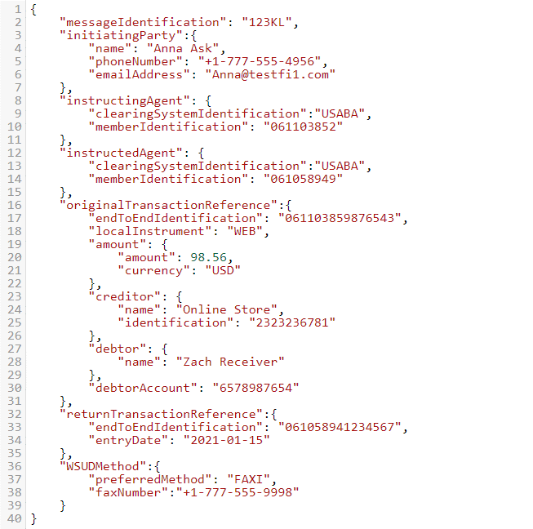

Response

 |  | Every response returned by Written Statement of Unauthorized Debit API has a response code. Response codes can be used to check the status of the request, e.g., Was the request successful or did it fail? The following table shows the common reason codes used by the API:

 |  | Code | Text | Further Code | Description
 |  | 201 | Created |  | The request was valid and data is returned
 |  | 400 | Bad request |  | Error caused by bad input data. Example error causes:
 |  |  |  | 2000 | Invalid JSON structure.
 |  |  |  | 2001 | [Field name] is missing or invalid.
 |  |  |  | 2002 | Invalid date.
 |  |  |  | 2003 | Invalid combination of fields submitted. Check the API specification for eligible combinations.
 |  |  |  | 2004 | [Field name] cannot be more than [number] characters.
 |  | 401 | Unauthorized |  | Authentication failed or user doesn’t have permissions for requested operation.
 |  | 403 | Forbidden |  | Access denied, the operation is not allowed
 |  | 404 | Not Found |  | Server can't find the requested resource
 |  | 405 | Method Not Allowed |  | Request method is known by the server but is not supported by the target resource.
 |  | 406 | Not Acceptable |  | Server cannot produce a response matching the list of acceptable values defined in the request's proactive content negotiation headers, and that the server is unwilling to supply a default representation.
 |  | 415 | Unsupported Media Type |  | Server refuses to accept the request because the payload format is in an unsupported format.
 |  | 500 | Internal server error |  | Server error response code indicates that the server encountered an unexpected condition that prevented it from fulfilling the request.
 |  | 503 | Service unavailable |  | Service is temporarily unavailable

 |  | For additional response codes, please see the section on return codes on the Testing the APIs page.
 |  | https://www.afinis.org/content/testing-apis

 | Get Copy of WSUD - 201 Response
 | Level | Field Name | Presence | Datatype | Example Value | ISO 20022 Definition | Enhanced Definition | Available for First Request - Received | Available for Second Request - Sent | Available for Second Request -Unable to Comply
 | 1 | Status | Mandatory | String - [Fixed] | Received | Does not exist in ISO 20022 | First Request should return Received, Second Request should return Sent or Unable to Comply | ✓ Received | ✓ Sent | ✓ Unable to Comply
 | 1 | originalMessageIdentification | Optional - Mandatory if provided in Request | String - Max 20 |  | Point to point reference, as assigned by the instructing party, and sent to the next party in the chain to unambiguously identify the message | Echo from Request: Number assigned by the FI requestor for own internal tracking purposes | ✓ | ✓ | ✓
 | 1 | amount | Mandatory |  | - | Unique and unambiguous identification for the account between the account owner and the account servicer |  | ✓ | ✓ | ✓
 | 2 | amount | Mandatory | Number - Max 11 | 1.01 |  | Max length of 11 includes decimal | ✓ | ✓ | ✓
 | 2 | currency | Mandatory | Fixed | USD |  |  | ✓ | ✓ | ✓
 | 1 | returnTransactionReference | Mandatory |  | - |  |  | ✓ | ✓ | ✓
 | 2 | endToEndIdentification | Mandatory | String - Max 35 Afinis - exactly 15 |  | Unique identification, as assigned by the original initiating party, to unambiguously identify the original transaction. | Return Entry Trace Number - the Trace Number is created by the Originator and is numbered in ascending sequence and uniquely identifies each entry within a batch | ✓ | ✓ | ✓
 | 2 | entryDate | Mandatory | String - Max 10 | 2021-02-12 | We are canceling the Design Team call for this week due to so many team members being out of the office. We will hold the next Design Team call as previously scheduled for Thursday, July 15th at noon ET. Thanks! | Effective Entry date shown on return. | ✓ | ✓ | ✓
 | 1 | iniatingParty | Optional |  |  | Party that initiates the instruction |  | ✓ | ✓ | ✓
 | 2 | name | Optional | String - Max 70 | Billy Banker | Name by which a party is known and which is usually used to identify that party | Name of individual at FI responding to the request | ✓ | ✓ | ✓
 | 2 | phoneNumber | Optional | String - Max 30 | 1-777-555-5000 | Collection of information that identifies a phone number, as defined by telecom services | Phone number of individual at FI responding to the request | ✓ | ✓ | ✓
 | 2 | emailAddress | Optional | String - Max 2048 | Billy.Banker@testbank.com | Address for electronic mail (e-mail) | Email of individual at FI responding to the request | ✓ | ✓ | ✓
 | 1 | notificationDate | Optional - Mandatory if Status is Sent or Unable to Comply | String - Min 10 Max 10 | 43950 | Does not exist in ISO 20022 | Date notification of response (Send or Unable to Comply) sent | ✓ | ✓ | ✓
 | 1 | notificationTime | Optional - Mandatory if Status is Sent or Unable to Comply | String - Min 5 | 0.85416666667 | Does not exist in ISO 20022 | Time notification of response (Send or Unable to Comply) sent | ✓ | ✓ | ✓
 | 1 | WSUDMethod | Mandatory |  | - |  |  |  | ✓
 | 2 | preferredMethod | Mandatory | String - Max 4 | EMAL, FAXI or POST | Preferred method used to reach the contact |  |  | ✓
 | 2 | emailAddress | Optional - mandatory if emal used | String - Max 2048 | operations@testbank.com | Address for electronic mail (e-mail) | Email address to use to send WSUD |  | ✓
 | 2 | faxNumber | Optional - mandatory if faxi used | String - Max 30 | 1-555-555-5555 | Collection of information that identifies a FAX number, as defined by telecom services | Fax Number to use to send WSUD |  | ✓
 | 2 | postalAddress | Optional - mandatory if post used |  |  | Information that locates and identifies a specific address, as defined by postal services | Postal Address to use to send WSUD |  | ✓
 | 3 | streetName | Optional - mandatory if post used | String - Max 70 | 123 Test Street | Name of a street or throughfare |  |  | ✓
 | 3 | postCode | Optional - mandatory if post used | String - Max 11 | 22306 | Identifier consisting of a group of letters and/or numbers that is added to a postal address to assist the sorting of mail |  |  | ✓
 | 3 | townName | Optional - mandatory if post used | String - Max 35 | Atlanta | Name of a built-up area, with defined boundaries, and a local government |  |  | ✓
 | 3 | countrySubDivision | Optional - mandatory if post used | String - Max 35 | GA | Identifies a subdivision of a country such as state, region, county |  |  | ✓
 | 3 | country | Optional - mandatory if post used | String - Min 2 Max 2 | US | Nation with its own government |  |  | ✓

 |  | Sample Response


    

